Annual Report
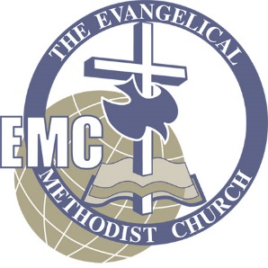
 |  | Evangelical Methodist Church

 |  | LOCAL CHURCH REPORT

 |  | 2026

Church: |  |  |  | Region:
City/State: |  |  |  | Is the Pastor fully supported (financially)?
Senior Pastor: |  |  |  | Has conference support been paid in full?

ATTENDANCE REPORT

1 | Received on Profession of Faith |  | 9 | Average Weekend Worship Attendance
2 | Received by Transfer or Reinstatment |  | 10 | Average Online Participation*
3 | Removed for All Reasons
4 | Present Total Membeship
5 | Infant Dedications and Baptisms
6 | Conversions
7 | Baptisms
8 | Indebtedness on Property
 |  |  |  | (*This total is an estimate of average weekly attendance
 |  |  |  | via livestream.)

FINANCIAL REPORT

INCOME
a) | Total All Giving for Calendar Year 2026 (9) |  |  |  |  | $-
b) | Total Subject to Conference Support for Calendar Year 2026 (3) |  |  |  |  | $-

1) | Total Pastoral Compensation (12-13) |  |  |  | $-
2) | All Other Staff Compensation (14-16) |  |  |  | $-
3) | All Other Local Church Expenditures (17-30) |  |  |  | $-
4) | Operation of Christian Day School (26) |  |  |  | $-
5) | Building Indeptedness/Worship Center Rentals (27) |  |  |  | $-
6) | Furnishings and Equipment for Church and Parsonage (28) |  |  |  | $-
7) | Construction Improvements (29) |  |  |  | $-
8) | New Church Contruction (30) |  |  |  | $-
9) | Local Missional Outreach (31) |  |  |  | $-
10) | Evangelical Methodist World Missions (32 a, b, c) |  |  |  | $-
11) | All Other Foreign Missions (32 d, e, f) |  |  |  | $-
12) | Conference Support (33) |  |  |  | $-
13) | Other Conference Work (34) |  |  |  | $-
14) | Designated Flow-through Items (35) |  |  |  | $-
15) | GRAND TOTAL DISBURSEMENTS |  |  |  |  | $-

Signature: Senior Pastor's or Board of Stewards Chairman
Due Date: January 31, 2026 |  |  |  |  | Date:
Rev. 11/2020

